Summary
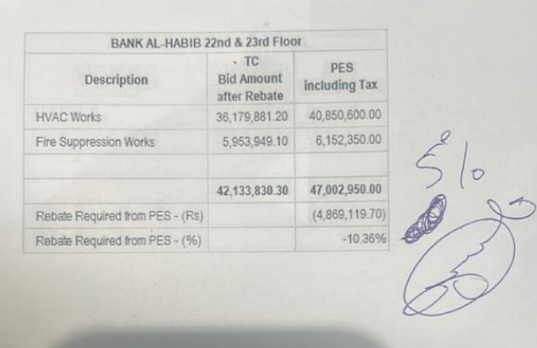
 |  |  |  | Bank Al-Habib Limited

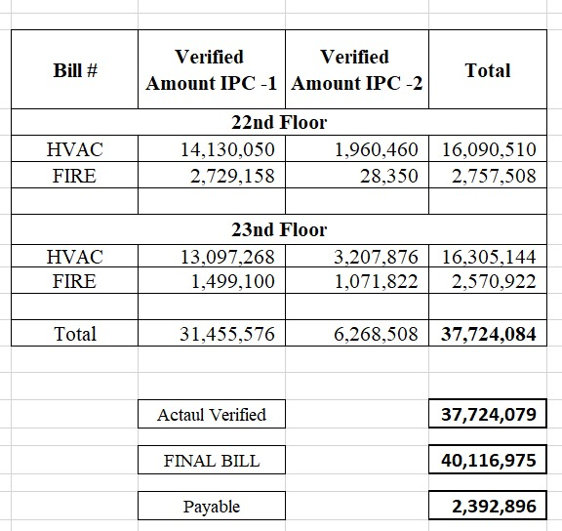
HVAC & Fire Fighting Work |  |  |  | 3-May-24
22nd & 23rd Floor Centerpoint Karachi

SUMMARY OF FINAL BILL

S.No | Description | Material | Labour | Amount
1 | HVAC 22nd Floor | 15,215,528 | 1,383,126 | 16,598,654 |  |  | 508,144
2 | HVAC 23rd Floor | 15,581,504 | 1,327,472 | 16,908,977 |  |  | 696,949
 | Total Amount HVAC |  |  | 33,507,631

3 | Fire Fighting 22nd Floor | 2,599,872 | 854,585 | 3,454,457 |  |  | 603,833
4 | Fire Fighting 23rd Floor | 2,354,536 | 800,351 | 3,154,887 |  |  | 583,965
 | Total Amount Fire Fighting |  |  | 6,609,344 |  |  | 2,392,891

 | Grand Total Amount | 35,751,440 | 4,365,535 | 40,116,975

 |  |  | REC with Mob | 35,692,766
 |  |  | Payable | 4,424,209

 |  | Verified in IPC 1 |  | 35,449,032
 |  | Verified in IPC 2 |  | 6,268,508

 |  | Total Verified Bills |  | 41,717,540

 |  | Actaul Verified |  | 37,724,079

 |  | Payable |  | 2,392,896

 |  |  |  |  | Bill # | Verified Amount
 |  |  |  |  | IPC 1 | 31,455,571
 |  |  |  |  | IPC 2 | 6,268,508
 |  |  |  |  |  | 37,724,079

